Sheet1
 |  | Document No. | Issue No. |  | Issue Date |  | Review and Replace Date |  |  | Authorised By
 |  | GFF301MC | 6 |  | 02.08.2021 |  | 09.03.2023
 |  | Document Title | CHICKEN TIKKA MASALA WITH BROWN RICE 400G
 |  | Inhouse Cooked Chicken Tikka |  |  |  | Page |  | 1 of 1 |  | Magda Shah
Document amendments reason for change |  |  |  |  |  | Previous Issue Date |  | 22.04.2022 |  | Uncontrolled copy unless signed original

FCTIR3-R8TMC | MINDFUL CHEF |  | CHICKEN TIKKA MASALA WITH BROWN RICE 400G | FROZEN
STEP 1 |  |  |  |  |  | STEP 2
 |  |  |  |  |  | 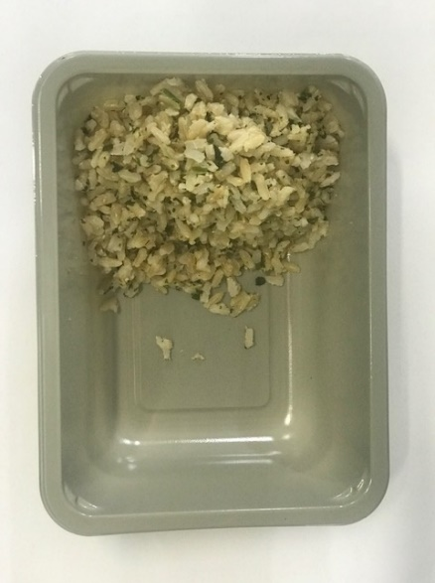

PACK DAY + 1 YEAR
NON-MAP Pack

Tray: EVOLVE CPET 2171-1F FROST (PKRHP001-14) |  |  |  |  |  | Brown Rice (MC) (GFF255R): 100g
Film: K Peel 3G 25µm (275mmX1000lm)-PKKMP001-04
STEP 3 |  |  |  | STEP 4 |  |  |  |  | STEP 5
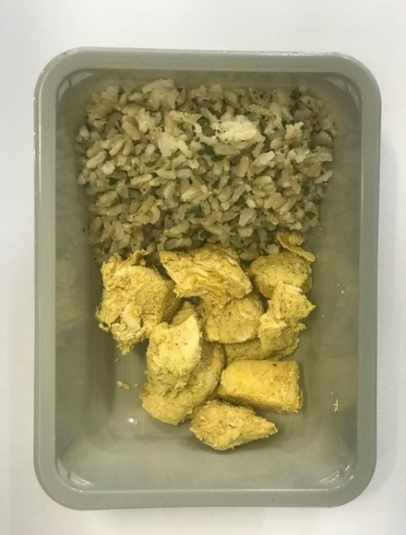 |  |  |  | 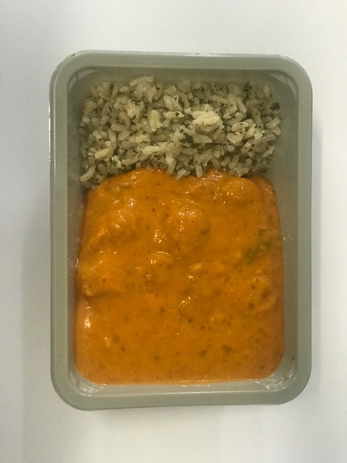 |  |  |  |  | 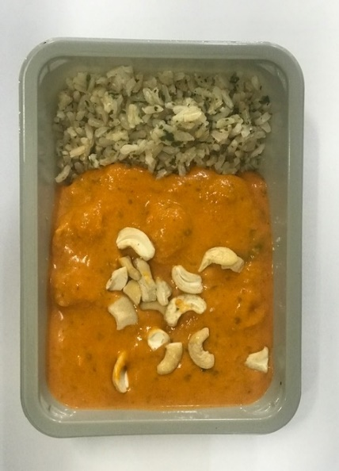

Marinated Chicken Tikka (MC)-(GFF379R): 70g |  |  |  | Tikka Masala Sauce (MC) (GFF378R): 225g |  |  |  |  | Cashew Nuts RMP&B001-05 : 5g |  | TOTAL WEIGHT: 400g

ALLERGY ALERT: NUTS

